Analysis sheet1
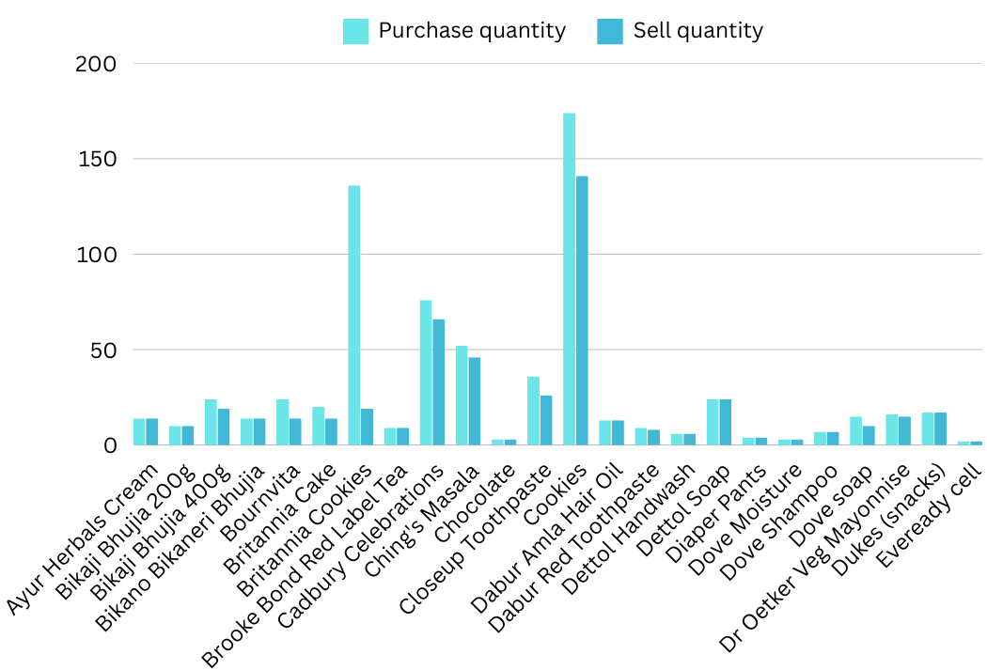

Row Labels | Sum of Sell Quantity | Sum of Purchase Quantity | Sum of Profit Monthly
Britannia Cookies | 19 | 136 | -3842.00
Surf Excel Detergent | 47 | 74 | -1581.20
Patanjali Toothpaste | 29 | 49 | -992.80
Glow & Lovely Facewash | 20 | 32 | -603.40
Closeup Toothpaste | 26 | 36 | -518.60
Glucon D | 15 | 26 | -326.90
Parachute Coconut Oil | 74 | 92 | -231.80
Bournvita | 14 | 24 | -204.40
Dove soap | 10 | 15 | -190.00
Cadbury Celebrations | 66 | 76 | -154.50
Kissan Tomato Ketchup | 25 | 43 | -84.80
Ghadi Detergent Powder | 7 | 10 | -62.10
Britannia Cake | 14 | 20 | -47.80
Bikaji Bhujia 400g | 19 | 24 | -41.00
Oreo Biscuits | 50 | 58 | -3.90
Cookies | 141 | 174 | 10.20
Profit of each item
Ching's Masala | 46 | 52 | 15.00
Dabur Red Toothpaste | 8 | 9 | 27.80
Lotte Candy | 3 | 3 | 69.00
Vim Dishwash Bar | 11 | 11 | 74.20
Dettol Handwash | 6 | 6 | 84.00
Face Wash | 6 | 6 | 85.20
Taj Mahal Tea | 6 | 6 | 85.70
Dr Oetker Veg Mayonnise | 15 | 16 | 87.90
Gillette Shaving Foam | 2 | 2 | 93.90
Kellogg's | 29 | 34 | 111.30
Brooke Bond Red Label Tea | 9 | 9 | 128.40
Dove Moisture | 3 | 3 | 128.90
Indulekha Shampoo | 8 | 9 | 141.00
Eveready cell | 2 | 2 | 157.60
Bikano Bikaneri Bhujia | 14 | 14 | 165.40
Indulekha Oil | 3 | 3 | 168.90
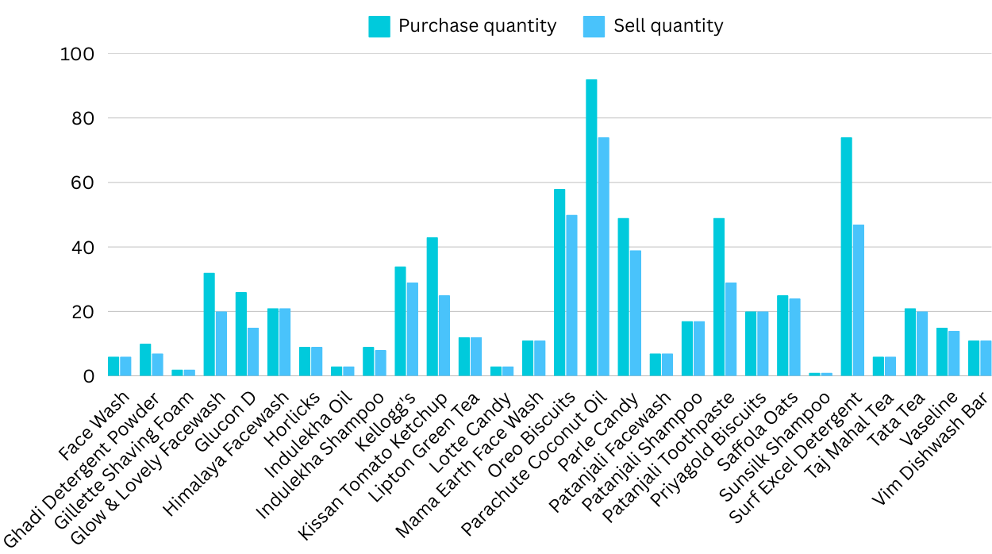
Patanjali Facewash | 7 | 7 | 191.30
Bikaji Bhujia 200g | 10 | 10 | 216.10
Sunsilk Shampoo | 1 | 1 | 230.00
Patanjali Shampoo | 17 | 17 | 239.90
Chocolate | 3 | 3 | 316.40
Dettol Soap | 24 | 24 | 362.40 | s
Dabur Amla Hair Oil | 13 | 13 | 367.70
Mama Earth Face Wash | 11 | 11 | 401.00
Horlicks | 9 | 9 | 433.60
Diaper Pants | 4 | 4 | 444.00
Lipton Green Tea | 12 | 12 | 481.80
Dukes (snacks) | 17 | 17 | 548.60
Ayur Herbals Cream | 14 | 14 | 589.30
Dove Shampoo | 7 | 7 | 660.20
Parle Candy | 39 | 49 | 710.00
Priyagold Biscuits | 20 | 20 | 880.80
Saffola Oats | 24 | 25 | 919.70
Vaseline | 14 | 15 | 920.10
monthly sales of secondary stock
Himalaya Facewash | 21 | 21 | 972.00
Tata Tea | 20 | 21 | 1386.00
Grand Total | 1034 | 1374 | 4020.10

Analysis sheet2
Sum of Purchase Qty, Sum of Sell Qty and Sum of Profit/item
MAIN STOCK DATA ANALYSIS
Row Labels | Sum of Purchase Qty | Sum of Sell Qty | Sum of Profit/item
Almonds | 115 | 109 | 370
Arhar | 110 | 102 | 680
Cashew | 195 | 185 | 900
Festival Colors | 40 | 38 | 100
Festival Sweets | 50 | 48 | 100
Mustard Oil | 900 | 856 | 100
Raisins | 120 | 112 | 270
Rice | 710 | 675 | 160
Sugar | 490 | 459 | 60
Wheat Flour | 540 | 515 | 190
Grand Total | 3270 | 3099 | 2930

Monthly profit of Main stocks
USED SHELF_SPACE FOR MAIN STOCKS

 |  |  |  | SHELF_SPACE
 |  |  |  | 6
 |  |  |  | 8
 |  |  |  | 10
 |  |  |  | 2
 |  |  |  | 2
 |  |  |  | 44
 |  |  |  | 8
 |  |  |  | 35
 |  |  |  | 31
 |  |  |  | 25
 |  |  |  | 171

